Sheet1


M/S Pioneer Steel |  |  |  |  | 21-Dec-24
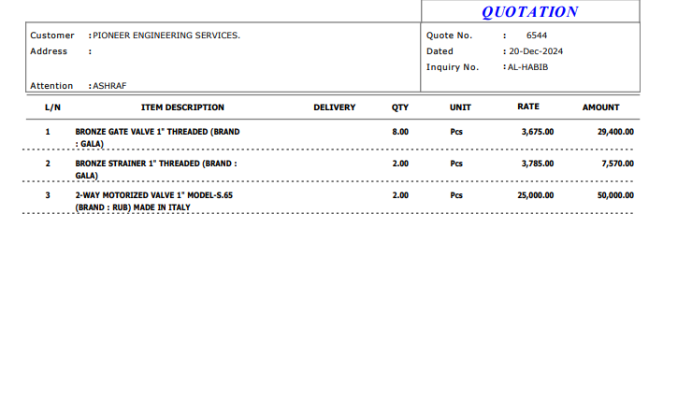

Att: Mr. Sheeraz

PURCHASE ORDER

Supply of Valve for the project (Bank Al-Habib Center point Karachi)
S No. | D e s c r i p t i o n | Qty | Unit | Rate | Amount
 | Brand: GALA
1 | Bronze Gate valve 1" Threaded | 8 | No | 375 | 3,000
2 | Bronze Strainer 1" Threaded | 2 | No | 3,785 | 7,570
 |  | TOTAL: |  |  | 10,570

Note: Above PO is subject to approval from the consultant.

for PIONEER ENGINEERING SERVICES

